Filtrations
Random forest classifier with 1000 trees, random_state = 31415

S.no | Dim | Binarisation | height_1 | height_2 | radial | gray | density:r = 2 | density:r = 4 | density:r = 6 | line_data | vr_data | erosion | signed_dis | dilation | mismatch | Accuracy
1 | 52 | 0.4 | yes | yes | yes | yes | yes | yes | yes | yes | yes | no | no | no | 385 | 96.15
2 | 50 | 0.4 | yes | yes | yes | yes | no | yes | yes | yes | yes | no | no | no | 403 | 95.97
3 | 50 | 0.4 | yes | yes | yes | yes | yes | no | yes | yes | yes | no | no | no | 389 | 96.11
4 | 50 | 0.4 | yes | yes | yes | yes | yes | yes | no | yes | yes | no | no | no | 393 | 96.07
5 | 54 | 0.4 | yes | yes | yes | yes | yes | yes | yes | yes | yes | yes | no | no | 390 | 96.1
6 | 54 | 0.4 | yes | yes | yes | yes | yes | yes | yes | yes | yes | no | yes | no | 393 | 96.07
7 | 54 | 0.4 | yes | yes | yes | yes | yes | yes | yes | yes | yes | no | no | yes | 390 | 96.1
8 | 56 | 0.4 | yes | yes | yes | yes | yes | yes | yes | yes | yes | yes | no | yes | 395 | 96.05
9 | 58 | 0.4 | yes | yes | yes | yes | yes | yes | yes | yes | yes | yes | yes | yes | 388 | 96.12
10 | 178 | 0.4 |  | S.no 9 consisting of 58 vectors combined with radial, height and density filtration with landscape, betti and wasserstein vectorisation |  |  |  |  |  |  |  |  |  |  | 292 | 97.08

Feature Selection: Using feature and permutation importance

Analysis for data corresponding to S.no 9 containing to 58 columns:
 |  |  |  |  |  |  | Ranking of columns wrt:
Column | Filtration | Column1 | Dim | Feature imp. | Permutation imp. |  | Permutation | Feature |  |  | Correlation matrix:
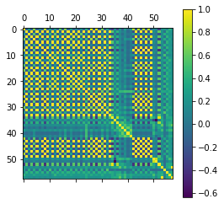
0 | Height: 1,0 |  | 0 | 0.064498170676 | 0.0148 |  | 10 | 0 |  | ht
26 | Radial: 6,13 |  | 0 | 0.062503261193 | 0.02594 |  | 26 | 26 |  | rad
34 | grayscale |  | 0 | 0.053000611952 | 0.0229 |  | 34 | 34 |  | gr
6 | Height: -1,1 |  | 0 | 0.045402517247 | 0.01052 |  | 0 | 6 |  | ht
20 | Radial: 20,6 |  | 0 | 0.044767194019 | 0.00384 |  | 6 | 20 |  | ht
10 | Height: -1,-1 |  | 0 | 0.042965876312 | 0.0276 |  | 4 | 10 |  | ht
4 | Height: 1,1 |  | 0 | 0.041021264785 | 0.01046 |  | 2 | 4 |  | ht
36 | density r = 2 |  | 0 | 0.040625937621 | 0.00466 |  | 36 | 36
56 | dilation |  | 0 | 0.038155847507 | 0.00308 |  | 20 | 56
12 | Height: -1.0 |  | 0 | 0.034130224038 | 0.00294 |  | 24 | 12
2 | Height: 0,1 |  | 0 | 0.034101943644 | 0.00488 |  | 28 | 2
52 | erosion |  | 0 | 0.03145883912 | 0.00232 |  | 14 | 52
46 | line 3 |  | 0 | 0.029025652787 | 0.00108 |  | 56 | 46
44 | line 2 |  | 0 | 0.028832069936 | 0.00154 |  | 12 | 44
8 | Height: 1,-1 |  | 0 | 0.028666798339 | 0.00146 |  | 22 | 8
28 | Radial: 6,20 |  | 0 | 0.028631484551 | 0.0036 |  | 32 | 28
42 | line 1 |  | 0 | 0.028271658331 | 0.00154 |  | 18 | 42
24 | Radial: 13,13 |  | 0 | 0.027634100843 | 0.00362 |  | 16 | 24
48 | line 4 |  | 0 | 0.027296375375 | 0.00092 |  | 52 | 48
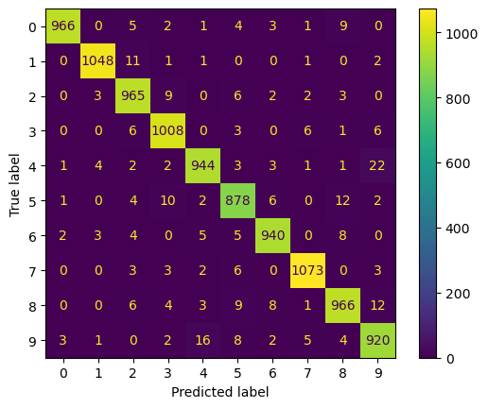
16 | Radial: 6,6 |  | 0 | 0.026146561602 | 0.00246 |  | 41 | 16
18 | Radial: 13,6 |  | 0 | 0.02609389447 | 0.00252 |  | 42 | 18
22 | Radial: 20,13 |  | 0 | 0.02489554719 | 0.0028 |  | 44 | 22
38 | density r = 4 |  | 0 | 0.02287550189 | 0.00148 |  | 38 | 38
40 | density r = 6 |  | 0 | 0.017346376979 | 0.0013 |  | 8 | 40
14 | Height: 0,-1 |  | 0 | 0.01495621246 | 0.00346 |  | 30 | 14
32 | Radial: 20,20 |  | 0 | 0.014321030829 | 0.00276 |  | 40 | 32
41 | density r = 6 |  | 1 | 0.013694911861 | 0.00192 |  | 46 | 41
30 | Radial: 13,20 |  | 0 | 0.012970395237 | 0.0014 |  | 55 | 30
50 | vietoris rips |  | 0 | 0.012164652223 | 0.00058 |  | 48 | 50
39 | density r = 4 |  | 1 | 0.0071117705825 | 6.66E-17 |  | 50 | 39
37 | density r = 2 |  | 1 | 0.0066727969216 | 0.00054 |  | 37 | 37
51 | vietoris rips |  | 1 | 0.0056351500698 | 0.00042 |  | 54 | 51
55 | signed distance |  | 1 | 0.0047477226112 | 0.00094 |  | 51 | 55
13 | Height: -1,0 |  | 1 | 0.0047316017966 | 0.00014 |  | 11 | 13
27 | Radial: 6,13 |  | 1 | 0.0042556084755 | 0.00018 |  | 27 | 27
35 | grayscale |  | 1 | 0.0042542033256 | 0.00018 |  | 31 | 35 |  |  |  | Confusion Matrix: S.no 9
57 | dilation |  | 1 | 0.0038230842976 | -4.00E-05 |  | 35 | 57
53 | erosion |  | 1 | 0.0036919080893 | 8.00E-05 |  | 15 | 53
7 | Height: -1,1 |  | 1 | 0.0033668708479 | 0 |  | 45 | 7
21 | Radial: 20,6 |  | 1 | 0.0031711458812 | -8.00E-05 |  | 49 | 21
1 | Height: 1,0 |  | 1 | 0.002942958069 | 2.00E-05 |  | 13 | 1
23 | Radial: 20,13 |  | 1 | 0.0028879423138 | -8.00E-05 |  | 29 | 23
15 | Height: 0,-1 |  | 1 | 0.0026606192061 | 0.00016 |  | 43 | 15
19 | Radial: 13,6 |  | 1 | 0.002526783501 | -8.00E-05 |  | 33 | 19
5 | Height: 1,1 |  | 1 | 0.0023189720533 | -1.00E-04 |  | 47 | 5
3 | Height: 0,1 |  | 1 | 0.0020838973518 | -1.00E-04 |  | 9 | 3
17 | Radial: 6,6 |  | 1 | 0.0020179584534 | 2.00E-05 |  | 53 | 17
29 | Radial: 6,20 |  | 1 | 0.0018661609258 | 0.00012 |  | 25 | 29
31 | Radial: 13,20 |  | 1 | 0.0017488489058 | 0.00018 |  | 1 | 31
25 | Radial: 13,13 |  | 1 | 0.0016742574306 | 4.00E-05 |  | 17 | 25
33 | Radial: 20,20 |  | 1 | 0.0014787760435 | 0.0001 |  | 39 | 33
11 | Height: -1,-1 |  | 1 | 0.0013819554223 | 0.0002 |  | 7 | 11
54 | signed distance |  | 0 | 0.0013183576845 | 0.00048 |  | 57 | 54
47 | line 3 |  | 1 | 0.0010767055719 | 0.0001 |  | 19 | 47
9 | Height: 1,-1 |  | 1 | 0.0010685937812 | 8.00E-05 |  | 21 | 9
43 | line 1 |  | 1 | 0.0010501425135 | 0.00012 |  | 23 | 43
49 | line 4 |  | 1 | 0.001002158343 | 0.00014 |  | 3 | 49
45 | line 2 |  | 1 | 0.00097813651036 | 0.00014 |  | 5 | 45

